HotelManagement
 |  | QUẢN LÝ KHÁCH SẠN

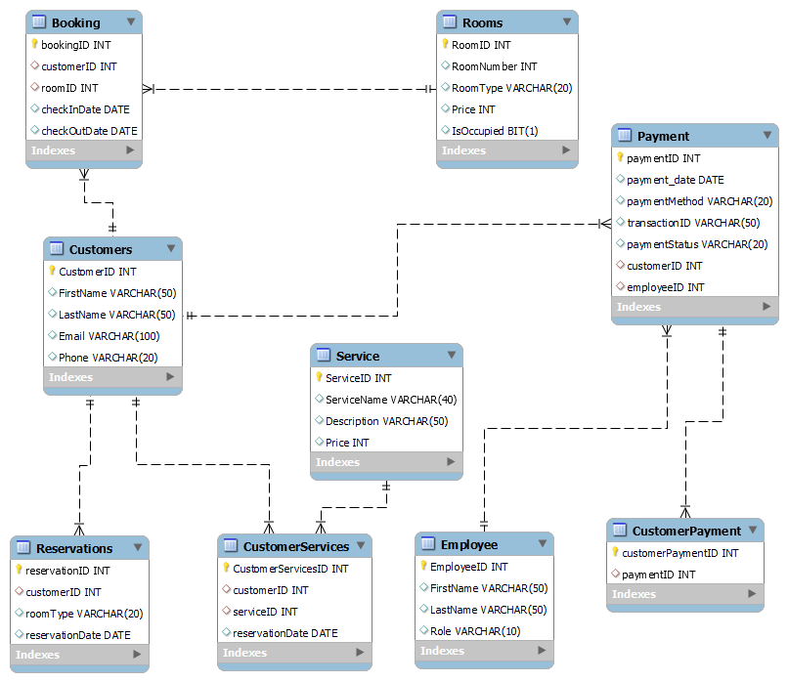
STT | Danh mục các bảng | Link | Mô tả
1 | Customers | Customers'!A1 | Thông tin khách hàng
2 | Rooms | Rooms'!A1 | Thông tin phòng
3 | Booking | Booking!A1 | Thông tin đặt phòng
4 | Reservations | Reservations!A1 | Liên kết booking - customer
5 | Employee | Employee!A1 | Danh sách nhân viên
6 | Payment | Payment!A1 | Liên kết giữa Customer - Employee
7 | Service | Service!A1 | Danh sách dịch vụ
8 | CustomerSevices | CustomerSevices'!A1 | Liên kết service- customer
9 | CustomerPayment | CustomerPayment'!A1 | Liên kết Customers - Payment

